Sheet1
Defect_Id | Defect Title\Name | Step to Reproduce | Expected | Acceptance | Environment | Created By | Affected Version | Date Raised | Media\Video\Photo | Priority\Defect\severity

1 | Menu Bar is not working on home page | Steps: 1.click on (://retailer.com/safeness/home/users) 2.click on menu bar | Menu bar is working | Menu bar is not working | chrome 93 Windows 10 | Manisha |  | 27/09/2021 | 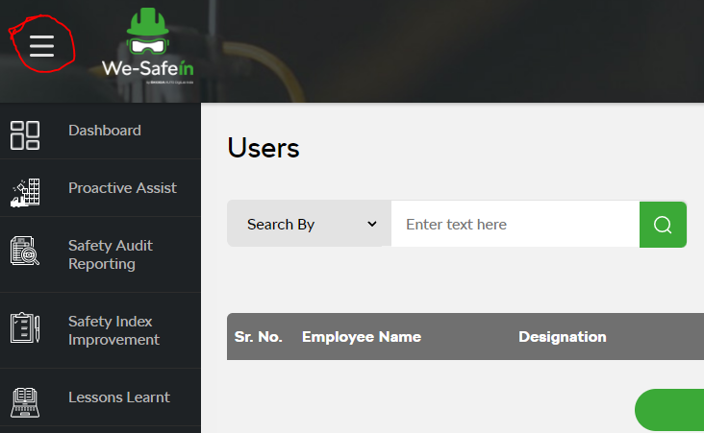 | High
2 | login button is not working on home page | Steps: 1.click on (https://thzretail.com/wesafein/home/users) 2.click on login button | login button is working | login button is not working | chrome 93 Windows 10 | Manisha |  | 27/09/2021 | 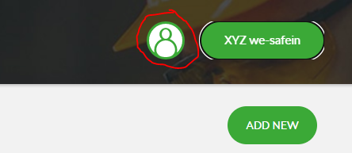 | High
3 | change password button is not working on home page | Steps: 1.click on (https://thzretail.com/wesafein/home/users) 2.click on change password button | change password is working | change password is not working | chrome 93 Windows 10 | Manisha |  | 27/09/2021 | 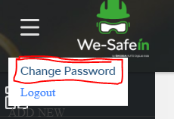 | High
4 | logout is not working on home page | Steps: 1.click on (https://thzretail.com/wesafein/home/users) 2.click on logout button | logout button is working | logout button is not working | chrome 93 Windows 10 | Manisha |  | 27/09/2021 | 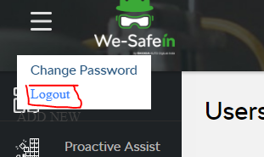 | High
5 | mobile view is not display proper on home page | Steps: 1.goto (https://thzretail.com/wesafein/home/users) in mobile 2. click on home page 3.check layout or alignment of home page | mobile view is display proper | Mobile view of this website is not proper | chrome 93 Windows 10 | Manisha |  | 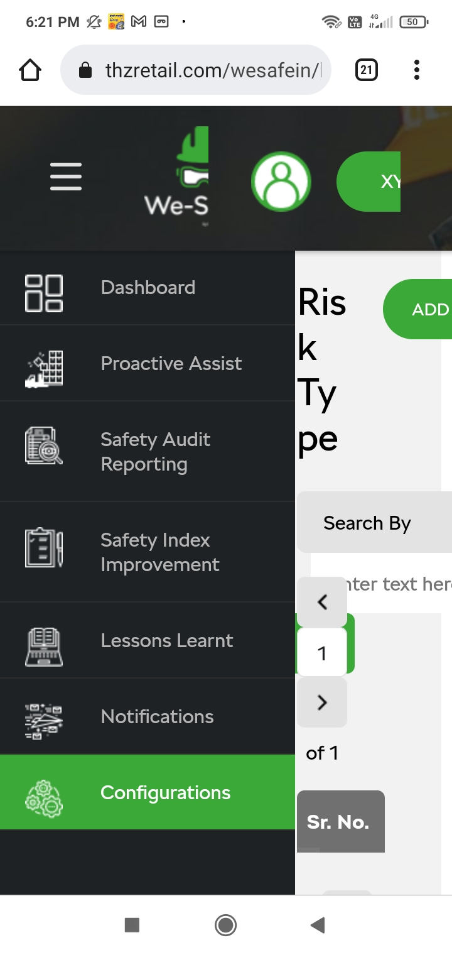 27/09/2021 |  | High
6 | Alignment is not proper on Dadhboard page | Steps: 1.click on (https://thzretail.com/wesafein/home/Dashboard) 2.click on Dashboard Button 3. Check Alignment | Alignment of Dadhboard is proper | Alignment is not Proper in Dashboard page | chrome 93 Windows 10 | Manisha |  | 27/09/2021 | 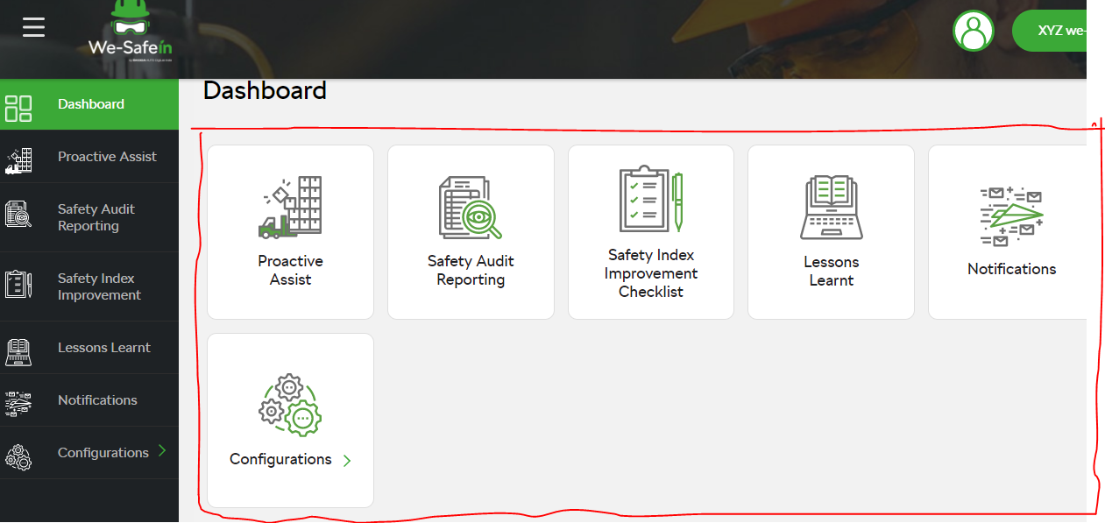 | Mediam
7 | Add New data is not working | Steps: 1.click on (https://thzretail.com/wesafein/home) 2.click on Lession learnt AND Users AND Factory Area AND Risk Types AND Teams AND Emergancy contacts AND Safty Index Questions 3.click on Add New button | Add the data in Add New Button | Add New button is not working | chrome 93 Windows 10 | Manisha |  | 27/09/2021 |  | High
8 | Next button is not working | Steps: 1.click on (https://thzretail.com/wesafein/home) 2.click on Proactive Assist AND Safty audit Reporting AND Safety Index Reporting AND Notification Lession learnt AND Users AND Factory Area AND Risk Types AND Teams AND Emergancy contacts AND Safty index Questions 3.click on Next button | Next Button is working | Next button is not working | chrome 93 Windows 10 | Manisha |  | 27/09/2021 |  | High
9 | Search Button is not working | Steps: 1.click on (https://thzretail.com/wesafein/home) 2.click on Proactive Assist AND Safty audit Reporting AND Safety Index Reporting AND Notification AND on Lession learnt AND Users AND Factory Area AND Risk Types AND Teams AND Emergancy contacts AND Safty index Questions 3.click on Search button | Search button is working | Search Button is not Working | chrome 93 Windows 10 | Manisha |  | 27/09/2021 |  | High
10 | Enter data is not correct | Steps: 1.click on (https://thzretail.com/wesafein/home/ProactiveAssist) 2.click on Proactive Assist AND Safty audit Reporting AND Safety Index Reporting AND Notification AND on Lession learnt AND Users AND Factory Area AND Risk Types AND Teams AND Emergancy contacts AND Safty index Questions 3.enter data in numeric, alphanumeric and digit 4.no limit of entered data | Enter data is in proper format with proper size | Enter data is not proper formate and proper size | chrome 93 Windows 10 | Manisha |  | 27/09/2021 |  | High
11 | Search Button logo is not working | Steps: 1.click on (https://thzretail.com/wesafein/home) 2.click on Proactive Assist AND Safty audit Reporting AND Safety Index Reporting AND Notification AND Lession learnt AND Users AND Factory Area AND Risk Types AND Teams AND Emergancy contacts AND Safty index Questions 3.enter data in numeric, alphanumeric and digit 4.no limit of entered data | Search button logo is working | Search Button logo is not Working | chrome 93 Windows 10 | Manisha |  | 27/09/2021 |  | High
12 | Search By option is not working | Steps: 1.click on (https://thzretail.com/wesafein/home) 2.click on Proactive Assist or Safty audit Reporting or Safety Index Reporting or Notification or on Lession learnt or Users or Factory Area or Risk Types or Teams or Emergancy contacts or Safty index Questions 3.click on Search by button | Search By option is work properly | Search By option is not work properly | chrome 93 Windows 10 | Manisha |  | 27/09/2021 |  | High
13 | Next button is not working | Steps: 1.click on (https://thzretail.com/wesafein/home) 2.click on Proactive Assist AND Safty audit Reporting AND Safety Index Reporting or Notification AND Lession learnt AND Users AND Factory Area AND Risk Types AND Teams AND Emergancy contacts AND Safty index Questions 3.click on Next button | Next Button is working | Next button is not working | chrome 93 Windows 10 | Manisha |  | 27/09/2021 |  | High
14 | Back Button Arrow is not Working | Steps: 1.click on (https://thzretail.com/wesafein/home 2.click on Proactive Assest AND Safty audit Reporting AND Safety Index Reporting AND Notification AND Lession learnt AND Users AND Factory Area AND Risk Types AND Teams AND Emergancy contacts AND Safty index Questions 3. click on Back button Arrow | Back Button Arrow is work properly | Back Button Arrow is not Working | chrome 93 Windows 10 | Manisha |  | 28/09/2021 |  | Mediam
15 | Next Button Arrow is not Working | Steps: 1.click on (https://thzretail.com/wesafein/home 2.click on Proactive Assest AND Safty audit Reporting AND Safety Index Reporting AND Notification AND Lession learnt AND Users AND Factory Area AND Risk Types AND Teams AND Emergancy contacts AND Safty index Questions 3. click on Next button arrow | Next Button Arrow is work properly | Next Button Arrow is not Working | chrome 93 Windows 10 | Manisha |  | 28/09/2021 |  | Mediam
16 | Export Button is not working | Steps: 1.click on (https://thzretail.com/wesafein/home 2.click on Proactive Assest or Safty audit Reporting or Safety Index Reporting or Notification or on Lession learnt or Users or Factory Area or Risk Types or Teams or Emergancy contacts or Safty index Questions 3.click on Export button | Export button is working properly | Export Button is not working | chrome 93 Windows 10 | Manisha |  | 28/09/2021 |  | High
17 | SAR Number option is not working on Safety Audit Reporting page | Steps: 1.click on (https://thzretail.com/wesafein/home/SafetyAuditReporting) 2.click on Safety Audit Reporting 3.click on Search By button 4.select SAR Number | SAR Number option is work proprely | SAR Number option is not work properly | chrome 93 Windows 10 | Manisha |  | 28/09/2021 |  | Mediam
18 | Visited Topic is not working on Safety Audit Reporting page | Steps: 1.click on (https://thzretail.com/wesafein/home/SafetyAuditReporting) 2.click on Safety Audit Reporting 3.click on Search By button 4.Select visited Topic | Visited Topic is work properly | Visited Topic is not working | chrome 93 Windows 10 | Manisha |  | 28/09/2021 |  | Mediam
19 | Audited By is not working on Safety Audit Reporting page | Steps: 1.click on (https://thzretail.com/wesafein/home/SafetyAuditReporting) 2.click on Safety Audit Reporting 3.click on Search By button 4.Select Audited By | Audited By is work properly | Audited By is not working | chrome 93 Windows 10 | Manisha |  | 28/09/2021 |  | Mediam
20 | Alignment is not proper on Safety Audit Reporting page | Steps: 1.click on (https://thzretail.com/wesafein/home/SafetyAuditReporting) 2.click on Safety Audit Reporting 3. check alignment | Alignment is work properly | Alignment is not proper | chrome 93 Windows 10 | Manisha |  | 28/09/2021 |  | Mediam
21 | spelling is miss match on Safety Index Improvement page | Steps: 1.click on (https://thzretail.com/wesafein/home/SafetyIndexImprovement) 2.click on Safety Index Improvement 3.Check shop/Deaprtment | Department | Deaprtment | chrome 93 Windows 10 | Manisha |  | 28/09/2021 |  | low
22 | Search Button is not working on Notifications page | Steps: 1.click on (https://thzretail.com/wesafein/home/notification) 2.click on Notifications 3.click on Search | Search Button is work proper | Search Button is not working | chrome 93 Windows 10 | Manisha |  | 28/09/2021 |  | High
23 | Enter data is not correct on Notifications page | Steps: 1.click on (https://thzretail.com/wesafein/home/notification) 2.click on Notifications 3.click on Search button 4.enter data in numeric, alphanumeric and digit 5.no limit of entered data | Enter data is proper formate and proper size | Enter data is proper formate and proper size | chrome 93 Windows 10 | Manisha |  | 28/09/2021 |  | High
24 | Graph button is not working on Notifications page | Steps: 1.click on (https://thzretail.com/wesafein/home/notification) 2.click on Notifications 3.click on Add graph button | Graph button is work proper | Graph button is not working | chrome 93 Windows 10 | Manisha |  | 28/09/2021 |  | High
25 | Export Button is not working on Notifications page | Steps: 1.click on (https://thzretail.com/wesafein/home/notification) 2.click on Notifications 3.click on Add graph button | Export Button is work proper | Export Button is not working | chrome 93 Windows 10 | Manisha |  | 28/09/2021 |  | High
26 | Search By option is not working on Notifications page | Steps: 1.click on (https://thzretail.com/wesafein/home/notification) 2.click on Notifications 3.click on Search By button | Search By option is not working | Search By option is not working | chrome 93 Windows 10 | Manisha |  | 28/09/2021 |  | High
27 | Next button is not working on Notifications page | Steps: 1.click on (https://thzretail.com/wesafein/home/notification) 2.click on Notifications 3.click on Next button | Next button is work porper | Next button is not working | chrome 93 Windows 10 | Manisha |  | 28/09/2021 |  | High
28 | Back Button Arrow is not Working on Notification page | Steps: 1.click on (https://thzretail.com/wesafein/home/notification) 2.click on Notifications 3.click on Back Button Arrow button | `Back Button Arrow is work proper | `Back Button Arrow is not work proper | chrome 93 Windows 10 | Manisha |  | 28/09/2021 |  | High
29 | Next Button Arrow is not Working on Notification page | Steps: 1.click on (https://thzretail.com/wesafein/home/notification) 2.click on Notifications 3.click on Back Button Arrow button | `Nexts Button Arrow is work proper | `Next Button Arrow is not work proper | chrome 93 Windows 10 | Manisha |  | 28/09/2021 |  | High
30 | Configurations page not working | steps: 1. click on (https://thzretail.com/wesafein/Configuration) 2.click on configurations page | Configuration page is work proper | Configuration page is not work proper | chrome 93 Windows 10 | Manisha |  | 28/09/2021 |  | High
31 | Add New data is not working | Steps: 1.click on (https://thzretail.com/wesafein/home/ObservationTypes) 2.click on Observation Types 3.click on Add New button | Add the data in Add New Button | Add New button is not working | chrome 93 Windows 10 | Manisha |  | 28/09/2021 |  | High
32 | Next button is not working | Steps: 1.click on (https://thzretail.com/wesafein/home/ObservationTypes) 2.click on Observation Types or Graphic configuration 3.click on Next button | Next Button is working | Next button is not working | chrome 93 Windows 10 | Manisha |  | 28/09/2021 |  | High
33 | Back Button Arrow is not Working | Steps: 1.click on (https://thzretail.com/wesafein/homeObservation Types) 2.click on Observation Types or Graphic configuration 3. click on Back button Arrow | Back Button Arrow is work properly | Back Button Arrow is not Working | chrome 93 Windows 10 | Manisha |  | 28/09/2021 |  | Mediam
34 | Next Button Arrow is not Working | Steps: 1.click on (https://thzretail.com/wesafein/homeObservation Types) 2.click on Observation Types or Graphic configuration 3. click on Next button arrow | Next Button Arrow is work properly | Next Button Arrow is not Working | chrome 93 Windows 10 | Manisha |  | 28/09/2021 |  | Mediam

